Sheet1
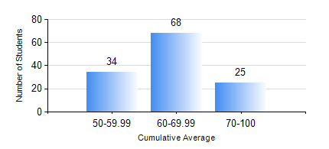
 |  |  | KWAME NKRUMAH UNIVERSITY OF SCIENCE AND TECHNOLOGY, KUMASI Department of Geomatic Engineering

 |  |  | BSC. GEOMATIC ENG.

 |  |  | COMPREHENSIVE RECORD OF EXAMINATION RESULTS

 |  |  | RESULTS OF YEAR 4 SECOND SEMESTER, 2021/2022 ACADEMIC YEAR

 | Sn | Course Code |  | Course Name | Credit Hours | Min. Mark | Max. Mark | Avg. Mark | Std. Dev. | No. Passed | No. Trailed | No. (Df) | No. (I) | No. (I*) | No. Tagged(I,I*,Df) | Total
 | 1. | GE 392 |  | PRACTICAL TASK III | 3 | 62 | 62 | 62 | 0 | 1 | 0 | 0 | 0 | 0 | 0 | 1
 | 2. | GE 464 |  | DATABASE SYSTEMS | 3 | 26 | 83 | 65 | 9.05 | 126 | 1 | 0 | 0 | 0 | 0 | 127
 | 3. | GE 472 |  | LAND LAW AND REGISTRATION | 3 | 33 | 83 | 59 | 9.87 | 126 | 1 | 0 | 0 | 0 | 0 | 127
 | 4. | GE 474 |  | PRINCIPLES OF VALUATION OF LAND AND BUILDING | 3 | 27 | 93 | 71 | 10.81 | 126 | 1 | 0 | 0 | 0 | 0 | 127
 | 5. | GE 476 |  | PROFESSIONAL STUDIES AND DEVELOPMENT | 3 | 23 | 89 | 61 | 14.47 | 121 | 6 | 0 | 0 | 0 | 0 | 127
 | 6. | GE 492 |  | PROJECT II | 4 | 59 | 85 | 74 | 5.75 | 127 | 0 | 0 | 0 | 0 | 0 | 127

